Dashboard
Judgement based Maturity Level assessment |  |  |  |  | Content Set |  |  |  | People Set |  |  | Hardcore set |  |  |  | Reserved for future use
'Helicopter View' MM4M365 workshop tool for <Name of Organisation> | Assessment year | Management of Content | Collaboration | Communication | Search | People and Communities | Staff & Training | Employee Experience | Business Process | Data and Analytics | Customization and Development | Infrastructure | - | - | - | - | - | Date of Assessment | Years organisation has been using Microsoft 365 | Number of staff in organisation
Rated on scale of 0 to 500 | 2021 | - | - | - | - | - | - | - | - | - | - | - | - | - | - | - | -
See reference sheet | 2022
 | 2023
 | Target | - | - | - | - | - | - | - | - | - | - | - | - | - | - | - | - | <Name of Organisation>
 | Gap | - | - | _ | _ | - | _ | _ | - | - | - | - | - | - | - | - | -
Maturity - trend over time
 | 2021 | 2022 | 2023 | Target
Management of Content | 0 |  |  | 0
Collaboration | 0 |  |  | 0
Communication | 0 |  |  | 0
Search | 0 |  |  | 0
People and Communities | 0 |  |  | 0
Staff & Training | 0 |  |  | 0
Employee Experience | 0 |  |  | 0
Business Process | 0 |  |  | 0
Data and Analytics | 0 |  |  | 0
Customization and Development | 0 |  |  | 0
Infrastructure | 0 |  |  | 0
- | 0 |  |  | 0
- | 0 |  |  | 0
- | 0 |  |  | 0
- | 0 |  |  | 0
- | 0 |  |  | 0
Current Maturity - by group
 | Current Year | Target (Organisation) | Department / Process 1
Management of Content | 0 | 0
Collaboration | 0 | 0
Communication | 0 | 0
Search | 0 | 0
People and Communities | 0 | 0
Staff & Training | 0 | 0
Employee Experience | 0 | 0
Business Process | 0 | 0
Data and Analytics | 0 | 0
Customization and Development | 0 | 0
Infrastructure | 0 | 0
- | 0 | 0
- | 0 | 0
- | 0 | 0
- | 0 | 0
- | 0 | 0
 |  |  |  |  |  |  |  |  |  | Lowest performers |  |  |  |  |  |  |  | Notes and exceptions
 |  |  |  |  |  |  |  |  |  | Current year - 2021 |  |  | Comment

 |  |  |  |  |  |  |  |  |  | Highest Performers
 |  |  |  |  |  |  |  |  |  | Current year - 2021 |  |  | Comment

Gap analysis
Follow us on Twitter
@M365Maturity | @M365CommDocs


Take the Maturity Model Self-Assessment |  |  |  |  |  |  |  |  |  | Gap analysis implications |  |  |  |  |  |  |  | Summary
https://symp.info/MM4M365-SelfAssessment |  |  |  |  |  |  |  |  |  | Maturity Gap |  | Comment
 |  |  |  |  |  |  |  |  |  | 0 - 200 | Easy, with appropriate support and commitment
Fill out the Maturity Model Survey |  |  |  |  |  |  |  |  |  | 200 - 300 | Challenging, needs significant commitment and resource
https://symp.info/MM4M365Survey |  |  |  |  |  |  |  |  |  | 300 - 400 | Target is too high. Risks over-extension, underfunding & failure
 |  |  |  |  |  |  |  |  |  | 400 - 500 | Very dangerous, avoid this size step change
Discussions in GitHub
https://symp.info/MM4M365Discussion

Instructions and Notes
Instructions - Set up 1. Enter your organisation name in the Organisation field on the Data Capture worksheet. 2. Decide whether the assessment is for the Company as a whole or for a range of Teams, Departments or Processes. State this in the Scope field. Remove/Cross out any Competencies you are not going to focus on
Instructions - Running the workshop 1. Familiarise everyone in the group with the criteria for achieving each level, using the 'Maturity Model for M365' level descriptions and keywords, in conjunction with the Introduction document (link below). These are reproduced below. It is suggested that these levels are made available to all workshop participants. 2. Now consider the definitions for each Competency. Links are provided on the Data Capture sheet. As a group, form a consensus for each competency for the company as a whole or each department etc. If undecided, choose the midway point between levels. Note: the criteria should be applied strictly - you might be using lots of powerful features, but if these are not agreed, standardised and broadly adopted then it's unlikely level 300 had been achieved, for example. 3. Enter this value in the Current Assessment column for that sub-competency on the Data Capture sheet 4. Now review the higher level criteria and reach a consensus on what the level is that the business should be mostly operating at in a year's time. This MUST be a multiple of 100 - no half way positions. 5. There may be parts of the business that need to operate at a higher (or lower) level than the general one, in which case note these exceptions and the reasons why. 6. Continue until you have completed each Competency.
Maturity Model for Microsoft 365 - Introduction | Microsoft Docs

Microsoft 365 Community Content | Microsoft Docs

Note: It is often useful to run separate workshops with different groups in large departments. Having managers in one group and staff in another is often insightful.

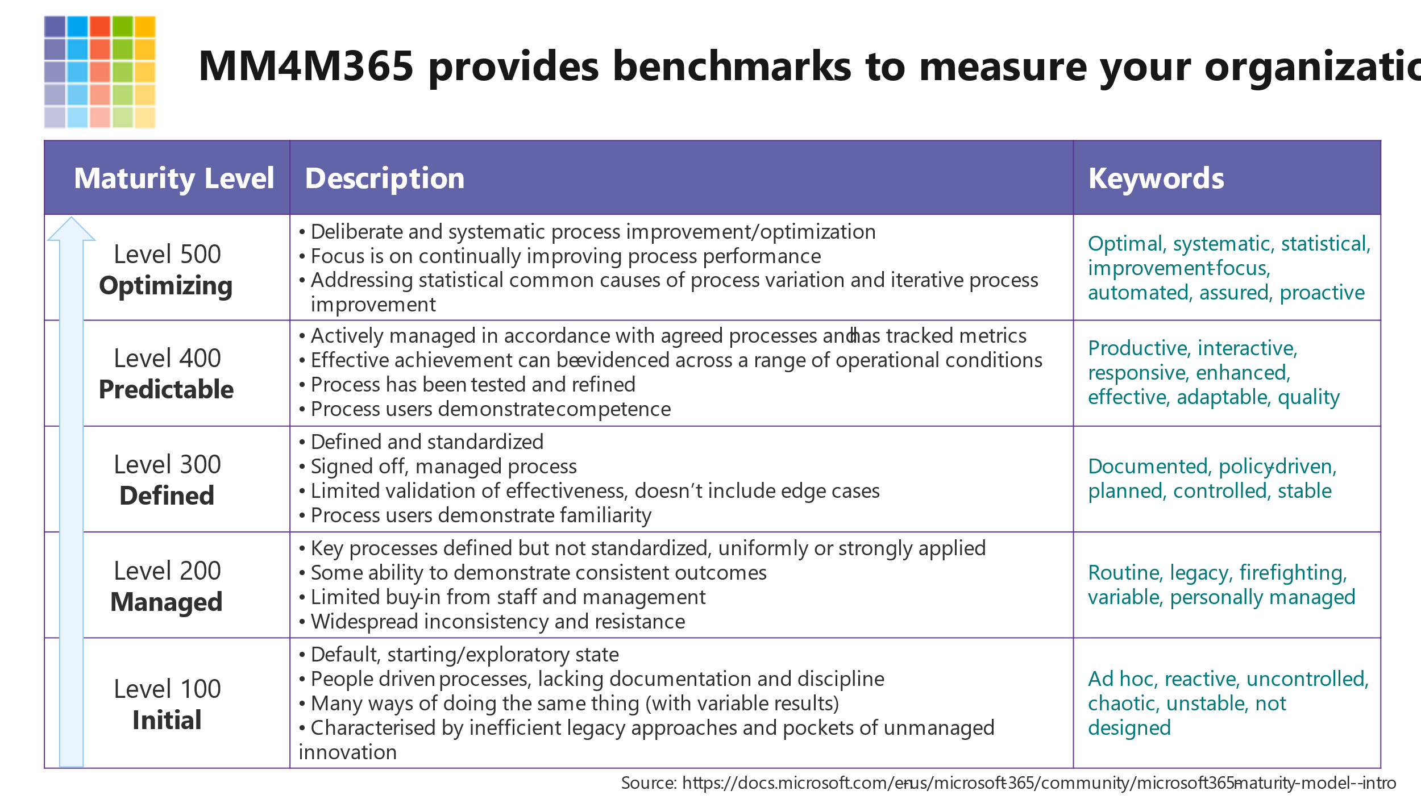
Capability Maturity Model
The original Capability Maturity Model defined a 5 point scale, representing the following levels: | A maturity model can be viewed as a set of structured levels that describe how well the behaviours, practices and processes of an organization can reliably and sustainably produce required outcomes. | A maturity model can be used as a benchmark for comparison and as an aid to understanding - for example, for comparative assessment of different organizations where there is something in common that can be used as a basis for comparison. In the case of the CMM, for example, the basis for comparison would be the organizations' software development processes.
1. Initial | The starting point for use of a new or undocumented repeat process. | (Typically) undocumented and in a state of dynamic change, tending to be driven in an ad hoc, uncontrolled and reactive manner by users or events. This provides a chaotic or unstable environment for the processes.
2. Repeatable | The process is at least documented sufficiently such that repeating the same steps may be attempted. | Some processes are repeatable, possibly with consistent results. Process discipline is unlikely to be rigorous, but where it exists it may help to ensure that existing processes are maintained during times of stress.
3. Defined | The process is defined/confirmed as a standard business process | There are sets of defined and documented standard processes established and subject to some degree of improvement over time. These standard processes are in place. The processes may not have been systematically or repeatedly used - sufficient for the users to become competent or the process to be validated in a range of situations. This could be considered a developmental stage - with use in a wider range of conditions and user competence development the process can develop to next level of maturity.
4. Managed (Capable) | The process is quantitatively managed in accordance with agreed-upon metrics. | Effective achievement of the process objectives can be evidenced (using metrics) across a range of operational conditions. The suitability of the process in multiple environments has been tested and the process refined and adapted. Process users have experienced the process in multiple and varied conditions, and are able to demonstrate competence. The process maturity enables adaptions to particular projects without measurable losses of quality or deviations from specifications. Process Capability is established from this level.
5. Optimizing (Efficient) | Process management includes deliberate process optimization/improvement. | The focus is on continually improving process performance through both incremental and innovative technological changes/improvements. At maturity level 5, processes are concerned with addressing statistical common causes of process variation and changing the process (for example, to shift the mean of the process performance) to improve process performance. This would be done at the same time as maintaining the likelihood of achieving the established quantitative process-improvement objectives.

